8. Preselected capacity types
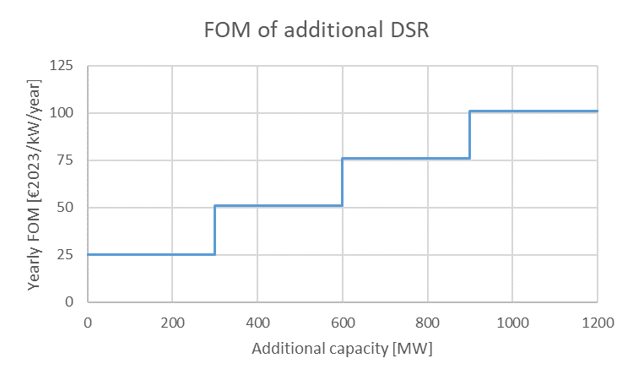
8. Preselected capacity types

The preselected capacity types have the characteristics described in the tabel below. Elia proposes to align the cost parameters of the preselected capacity types with the intermediate values decided by the Minister.

Technology | Marginal Price Calculation | CAPEX | FOM | Economic lifetime | Applicable in:
 |  | [€ 2023/kW] | [€ 2023/kW] | [y] | 2026-27/Y-1 | 2027-28/Y-2 | 2029-30/Y-4
CCGT | Marginal price of a new CCGT | 709* | 32 | 20 | No | No | Yes
OCGT | Marginal price of a new OCGT | 557** | 26 | 20 | No | Yes | Yes
Large-scale bat. | Marginal price of a new battery | 912 | 25 | 15 | Yes | Yes | Yes
DSR 24h | Marginal price of 24h DSR | see below |  |  | Yes | Yes | Yes
*CAPEX for CCGT >800 MW
**CAPEX for OCGT>100 MW

9. Scenarios post DY
9. Scenarios post-delivery period choice

Sources of scenarios for periods after the delivery period in order to calculate the market revenues.

Application to 2026-27/Y-1

2026
2029
2027
2030
2034
2040

CRM
2026-27/Y-1
CRM
2027-28/Y-2
CRM
2029-30/Y-4
AdFlex 23
AdFlex 23 (2034 Scenario)

Application to 2027-28/Y-2

2029
2027
2030
2032
2034
2040

CRM
2027-28/Y-2
CRM
2029-30/Y-4
AdFlex 23
AdFlex 23 (2034 Scenario)

Application to 2029-30/Y-4

2029
2030
2032
2034
2040

CRM
2029-30/Y-4
AdFlex 23
AdFlex 23 (2034 Scenario)

