Contents

CRM - Assumptions workbook

 | Delivery Year 2027-28 - Inputs for Y-4 Auction

 |  | This data is provided in the framework of the evaluation of the Belgian CRM calibration. It includes the data required by article 5 of the Royal Decree on volume and parameters http://www.ejustice.just.fgov.be/eli/arrete/2021/04/28/2021041351/justel All the data presented in this excel are targetting the time horizon 2027-28 that will be simulated for the calibration.

1° Data and assumptions for the scenario

 | 1. Generation & Storage
 |  | 1.1 Generation & Storage summary
 |  | 1.2 Individually modelled thermal generation
 |  | 1.3 Storage
 |  | 1.4 Renewable and thermal without daily schedule
 |  | 1.5 Forced outage rates

 | 2. Consumption
 |  | 2.1 Demand
 |  | 2.2 Demand-Side Response

 | 3. Balancing capacity

 | 4. Flow based domains

 | 5. Other countries data

 | 6. Economic parameters

2° Sensitivities integrated in the reference scenario

 | 7 Applied Sensitivities

3° Preselected capacity types

 | 8. Preselected capacity types

4° Net-CONE input data

 | 9.1. Intermediate Values
 | 9.2. Scenarios post delivery year
 | 9.3. Market revenues assumptions

5° Intermediate Price Cap

 | 10. Parameters for the IPC
 |  | 10.1 Technology list
 |  | 10.2 Revenues parameters

1.5 Forced outage rates
1.5 Forced outage rates

 | Average forced outage rate over 2012-2021
CCGT | 7.0%
GT | 7.4%
Nuclear | 20.0%
TJ | 3.5%
CHP, waste & biomass | 6.7%
Pumped storage | 4.3%
HVDC link | 6.0%

Sources:
Elia (2012-2021)
ENTSO-E Transparency platform (2015-2021) where available
MAF Study

8. Preselected capacity types
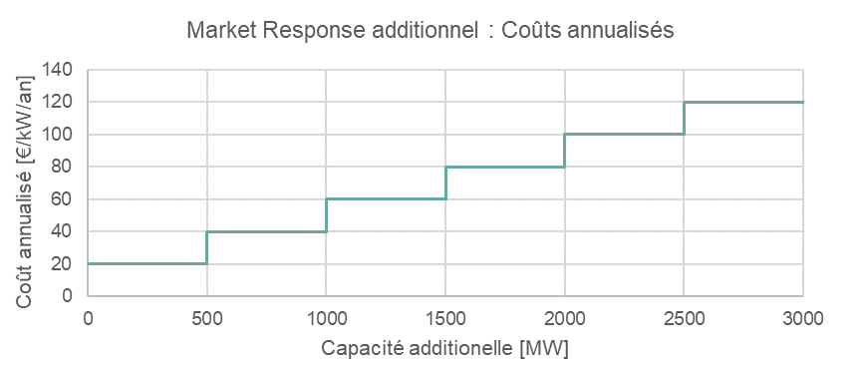
8. Preselected capacity types

The preselected capacity types have the characteristics described in the tabel below.

Category | Associated technology | Volume Calculation | Marginal Price Calculation | CAPEX | FOM | Economic lifetime
 |  |  |  | [€ 2020/kW] | [€ 2020/kW] | [y]
Type 1 - Semi-baseload | CCGT, CHP | Add new CCGT | Marginal price of a new CCGT | 600 | 25 | 20
Type 2 - Peakers 1 | OCGT | Add new OCGT | Marginal price of a new OCGT | 400 | 20 | 20
Type 3 - Peakers 2 | IC gas engines | Add new IC gas engines | Marginal price of a new IC gas engines | 300 | 15 | 15
Type 4 - Batteries | Large-scale bat. | Add new Large-scale batteries 4h enegy content | / | 750 | 15 | 15
Type 5 - DSR | DSR | Add weighted average of existing DSR categories | Weighted average of existing DSR categories | see below

9.2. Scenarios post DY
9.2. Scenarios post-delivery period choice

Sources of scenarios for periods after the delivery period in order to calculate the market revenues.

2027
2030
2032
2040

AdFlex 21
AdFlex 21 (2032 Scenario)

Scenario chosen to be as close to the chosen reference in 2027

